Sales
2022-05-01 | 5/1/2022 | 5/2/2022 | 5/3/2022 | 5/4/2022 | 5/5/2022 | 5/6/2022 | 5/7/2022 | 5/8/2022 | 5/9/2022 | 5/10/2022 | 5/11/2022 | 5/12/2022 | 5/13/2022 | 5/14/2022 | 5/15/2022 | 5/16/2022 | 5/17/2022 | 5/18/2022 | 5/19/2022 | 5/20/2022 | 5/21/2022 | 5/22/2022 | 5/23/2022 | 5/24/2022 | 5/25/2022 | 5/26/2022 | 5/27/2022 | 5/28/2022 | 5/29/2022 | 5/30/2022 | 5/31/2022
 | SUN | MON | TUE | WED | THU | FRI | SAT | SUN | MON | TUE | WED | THU | FRI | SAT | SUN | MON | TUE | WED | THU | FRI | SAT | SUN | MON | TUE | WED | THU | FRI | SAT | SUN | MON | TUE

Notes | Garden month |  |  |  | Mother's day
 |  |  | Secret offer date change to July |  | A/B test Home2 vs Mother's day |  |  |  |  |  |  | Advertising stopped | Advertising started with new campaigns |  |  |  | Advertising started on Internal Account |  |  | Spring special offer |  |  |  |  |  |  |  |  |  | Gallery Live | Lead Gen Campaign live
 |  |  |  |  |  |  |  |  |  |  |  |  | No more exact shipping date in checkout. Secret offer item replaced with normal item in cart. |  |  |  |  |  |  |  |  |  | Secret Offer Date change: Summer Shipping / Normal Offer: Autumn Shipping

Shopify | $77,450.09 | $67,948.30 | $48,855.78 | $59,904.55 | $42,975.60 | $65,686.75 | $75,997.94 | $97,040.32 | $60,688.56 | $42,087.93 | $29,153.86 | $26,619.59 | $14,113.49 | $19,118.30 | $27,685.89 | $26,509.28 | $23,931.76 | $17,413.21 | $16,582.29 | $19,539.09 | $27,065.00 | $26,076.93 | $26,425.33 | $20,049.57 | $15,643.57 | $11,796.16 | $16,865.78 | $15,893.22 | $13,967.93 | $14,160.86 | $16,438.02
Total Revenue | $77,450.09 | $67,948.30 | $48,855.78 | $59,904.55 | $42,975.60 | $65,686.75 | $75,997.94 | $97,040.32 | $60,688.56 | $42,087.93 | $29,153.86 | $26,619.59 | $14,113.49 | $19,118.30 | $27,685.89 | $26,509.28 | $23,931.76 | $17,413.21 | $16,582.29 | $19,539.09 | $27,065.00 | $26,076.93 | $26,425.33 | $20,049.57 | $15,643.57 | $11,796.16 | $16,865.78 | $15,893.22 | $13,967.93 | $14,160.86 | $16,438.02
Orders | 263 | 233 | 170 | 195 | 149 | 227 | 264 | 327 | 201 | 140 | 100 | 91 | 49 | 63 | 91 | 84 | 78 | 58 | 56 | 67 | 90 | 84 | 90 | 68 | 54 | 43 | 52 | 54 | 45 | 45 | 56

FB - US & CA | $22,916.24 | $19,144.91 | $14,610.72 | $14,531.44 | $13,233.78 | $16,245.91 | $20,547.73 | $23,372.98 | $21,979.87 | $18,800.08 | $14,966.66 | $12,780.69 | $3,819.91 | $7,395.51 | $9,073.29 | $9,658.44 | $9,777.85 | $6,550.04 | $8,357.40 | $8,594.55 | $10,346.78 | $10,653.18 | $10,876.66 | $8,143.20 | $5,954.07 | $3,896.00 | $4,073.05 | $4,235.28 | $4,414.45 | $4,827.36 | $4,966.90
Google - WW | $859.74 | $1,171.21 | $870.55 | $783.06 | $869.68 | $938.92 | $1,120.28 | $1,103.58 | $796.54 | $943.98 | $1,172.32 | $1,461.46 | $1,038.51 | $479.63 | $1,078.84 | $872.74 | $826.96 | $720.10 | $1,052.91 | $1,024.55 | $966.06 | $1,013.57 | $926.18 | $811.47 | $741.23 | $540.26 | $529.96 | $447.21 | $432.49 | $417.77 | $442.11
Bing - WW | $39.55 | $45.90 | $41.55 | $29.32 | $56.11 | $47.58 | $38.04 | $35.36 | $47.02 | $22.96 | $34.45 | $29.82 | $23.53 | $27.85 | $32.21 | $28.52 | $23.53 | $25.96 | $24.69 | $20.06 | $14.32 | $30.84 | $26.51 | $28.06 | $25.78 | $23.40 | $29.11 | $21.67 | $15.73 | $16.06 | $29.79
FB - Backerkit - US | $928.51 | $897.67 | $876.57 | $909.34 | $875.69 | $880.40 | $964.79 | $929.53 | $891.86 | $908.66 | $875.01 | $659.40 | $350.80 | $371.76 | $375.08 | $375.08
Affiliate Fees - US | $445.48 | $173.85 | $278.75 | $63.56 | $105.34 | $173.05 | $133.95 | $204.40 | $226.46 | $59.71 | $50.67 | $0.00 | $0.00 | $0.00 | $0.00 | $0.00 | $0.00 | $0.00 | $0.00 | $0.00 | $177.76 | $238.22 | $184.56 | $55.80 | $0.00 | $0.00 | $0.00 | $0.00 | $0.00 | $0.00 | $0.00
Total Spend | $25,189.52 | $21,433.54 | $16,678.14 | $16,316.72 | $15,140.60 | $18,285.86 | $22,804.79 | $25,645.85 | $23,941.75 | $20,735.39 | $17,099.11 | $14,931.37 | $5,232.75 | $8,274.75 | $10,559.42 | $10,934.78 | $10,628.34 | $7,296.10 | $9,435.00 | $9,639.16 | $11,504.92 | $11,935.81 | $12,013.91 | $9,038.53 | $6,721.08 | $4,459.66 | $4,632.12 | $4,704.16 | $4,862.67 | $5,261.19 | $5,438.80

ROAS | 3.07 | 3.17 | 2.93 | 3.67 | 2.84 | 3.59 | 3.33 | 3.78 | 2.53 | 2.03 | 1.70 | 1.78 | 2.70 | 2.31 | 2.62 | 2.42 | 2.25 | 2.39 | 1.76 | 2.03 | 2.35 | 2.18 | 2.20 | 2.22 | 2.33 | 2.65 | 3.64 | 3.38 | 2.87 | 2.69 | 3.02
CAC | $95.78 | $91.99 | $98.11 | $83.68 | $101.61 | $80.55 | $86.38 | $78.43 | $119.11 | $148.11 | $170.99 | $164.08 | $106.79 | $131.35 | $116.04 | $130.18 | $136.26 | $125.79 | $168.48 | $143.87 | $127.83 | $142.09 | $133.49 | $132.92 | $124.46 | $103.71 | $89.08 | $87.11 | $108.06 | $116.92 | $97.12
CR | 0.93% | 0.92% | 0.98% | 1.10% | 0.91% | 1.13% | 1.12% | 1.21% | 0.93% | 0.85% | 0.69% | 0.62% | 0.67% | 0.95% | 1.07% | 0.81% | 0.78% | 0.84% | 0.67% | 0.97% | 1.20% | 1.05% | 0.96% | 0.75% | 0.91% | 0.97% | 1.06% | 1.17% | 1.04% | 0.86% | 0.95%
AOV | $294.49 | $291.62 | $287.39 | $307.20 | $288.43 | $289.37 | $287.87 | $296.76 | $301.93 | $300.63 | $291.54 | $292.52 | $288.03 | $303.47 | $304.24 | $315.59 | $306.82 | $300.23 | $296.11 | $291.63 | $300.72 | $310.44 | $293.61 | $294.85 | $289.70 | $274.33 | $324.34 | $294.32 | $310.40 | $314.69 | $293.54

Post-purchase Survey
Facebook / Instagram | 80.33% | 81.52% | 76.25% | 73.42% | 78.79% | 82.98% | 82.86% | 83.85% | 84.52% | 74.63% | 90.24% | 85.29% | 66.67% | 72.41% | 74.47% | 66.67% | 78.05% | 51.85% | 72.41% | 60.00% | 65.71% | 74.29% | 72.97% | 84.85% | 75.86% | 52.63% | 75.00% | 86.36% | 82.61% | 90.91% | 60.71%
Friends / Family | 9.02% | 9.78% | 8.75% | 7.59% | 9.09% | 9.57% | 8.57% | 10.00% | 8.33% | 16.42% | 9.76% | 5.88% | 6.67% | 17.24% | 12.77% | 17.95% | 4.88% | 14.81% | 6.90% | 24.00% | 17.14% | 17.14% | 16.22% | 6.06% | 17.24% | 15.79% | 4.17% | 9.09% | 8.70% | 4.55% | 25.00%
Google, Yahoo, Bing | 6.56% | 3.26% | 8.75% | 6.33% | 4.55% | 3.19% | 4.76% | 3.85% | 2.38% | 2.99% | 0.00% | 2.94% | 13.33% | 3.45% | 4.26% | 5.13% | 4.88% | 11.11% | 13.79% | 4.00% | 14.29% | 0.00% | 5.41% | 6.06% | 3.45% | 26.32% | 4.17% | 0.00% | 8.70% | 0.00% | 0.00%
Pinterest | 0.00% | 0.00% | 1.25% | 0.00% | 1.52% | 1.06% | 0.00% | 0.77% | 0.00% | 0.00% | 0.00% | 0.00% | 0.00% | 0.00% | 0.00% | 0.00% | 0.00% | 0.00% | 0.00% | 4.00% | 0.00% | 2.86% | 0.00% | 0.00% | 0.00% | 0.00% | 0.00% | 0.00% | 0.00% | 0.00% | 0.00%
TikTok | 0.82% | 1.09% | 0.00% | 1.27% | 1.52% | 0.00% | 1.90% | 0.00% | 1.19% | 0.00% | 0.00% | 0.00% | 0.00% | 0.00% | 2.13% | 0.00% | 2.44% | 11.11% | 3.45% | 4.00% | 0.00% | 2.86% | 2.70% | 0.00% | 3.45% | 0.00% | 4.17% | 0.00% | 0.00% | 0.00% | 0.00%
TV / Radio | 0.00% | 2.17% | 0.00% | 3.80% | 0.00% | 2.13% | 0.95% | 0.77% | 0.00% | 4.48% | 0.00% | 0.00% | 6.67% | 0.00% | 0.00% | 2.56% | 2.44% | 0.00% | 0.00% | 4.00% | 0.00% | 0.00% | 0.00% | 0.00% | 0.00% | 0.00% | 0.00% | 0.00% | 0.00% | 0.00% | 10.71%
Blog / Article | 3.28% | 2.17% | 5.00% | 7.59% | 4.55% | 1.06% | 0.95% | 0.77% | 3.57% | 1.49% | 0.00% | 5.88% | 6.67% | 6.90% | 6.38% | 7.69% | 7.32% | 11.11% | 3.45% | 0.00% | 2.86% | 2.86% | 2.70% | 3.03% | 0.00% | 5.26% | 12.50% | 4.55% | 0.00% | 4.55% | 3.57%

 | 2022-05-01 | Goal | % of Goal
Revenue | $1,063,684.95 | $1,000,000 | 106.37%
Spend | $390,775.79
ROAS | 2.72
CAC | $108.94
CR | 0.94%
AOV | $296.54
Orders | 3587
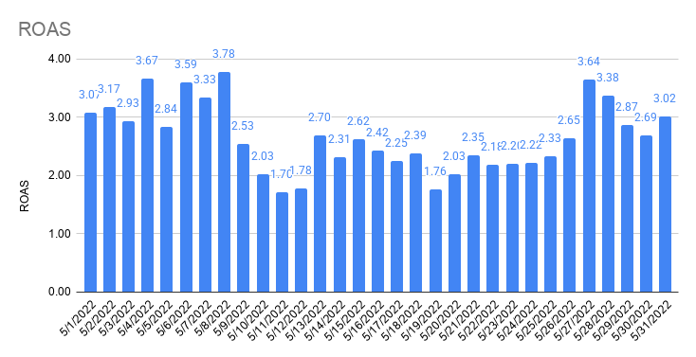
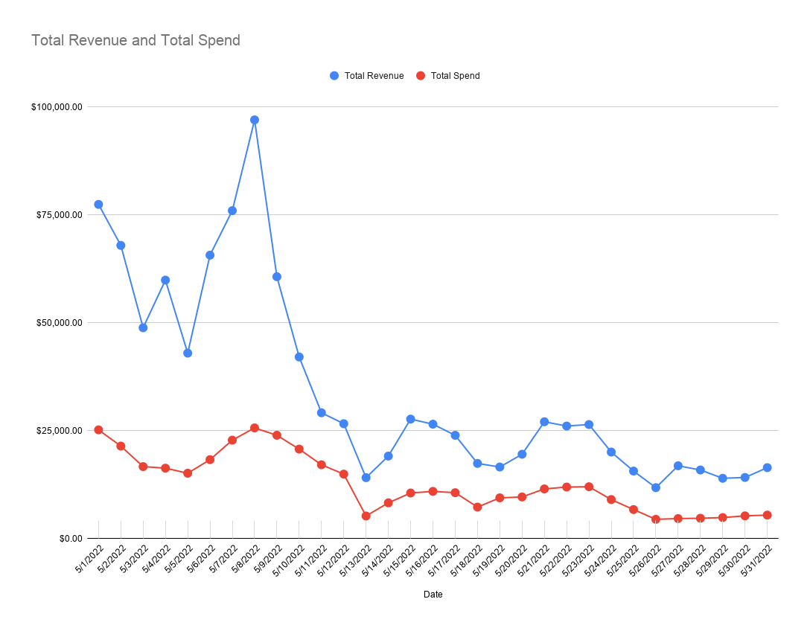

Total Revenue and Total Spend

Attribution
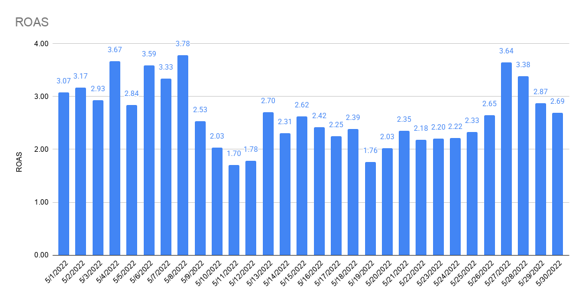
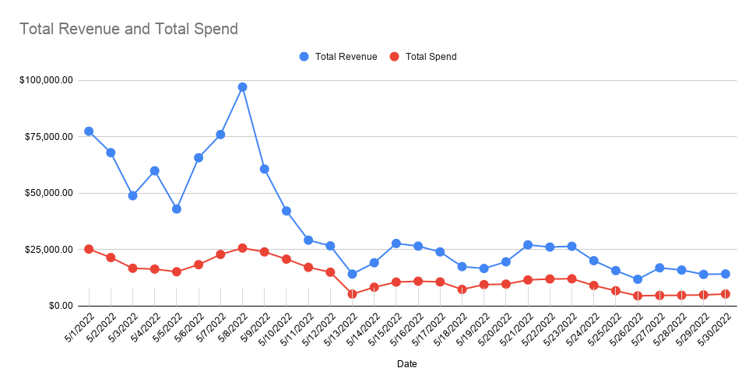
 | 5/1/2022 | 5/2/2022 | 5/3/2022 | 5/4/2022 | 5/5/2022 | 5/6/2022 | 5/7/2022 | 5/8/2022 | 5/9/2022 | 5/10/2022 | 5/11/2022 | 5/12/2022 | 5/13/2022 | 5/14/2022 | 5/15/2022 | 5/16/2022 | 5/17/2022 | 5/18/2022 | 5/19/2022 | 5/20/2022 | 5/21/2022 | 5/22/2022 | 5/23/2022 | 5/24/2022 | 5/25/2022 | 5/26/2022 | 5/27/2022 | 5/28/2022 | 5/29/2022 | 5/30/2022 | 5/31/2022
 | SUN | MON | TUE | WED | THU | FRI | SAT | SUN | MON | TUE | WED | THU | FRI | SAT | SUN | MON | TUE | WED | THU | FRI | SAT | SUN | MON | TUE | WED | THU | FRI | SAT | SUN | MON | TUE
FB Orders | 132 | 145 | 114 | 99 | 55 | 72 | 65 | 99 | 59 | 137 | 75 | 50 | 31 | 18 | 29 | 53 | 51 | 51 | 39 | 24 | 35 | 23 | 42 | 30 | 34 | 28 | 20 | 15 | 14 | 15 | 25
All Orders | 263 | 233 | 170 | 195 | 149 | 227 | 264 | 327 | 201 | 140 | 100 | 91 | 49 | 63 | 91 | 84 | 78 | 58 | 56 | 67 | 90 | 84 | 90 | 68 | 54 | 43 | 52 | 54 | 45 | 45 | 56
% Attributed to FB (Ads Manager) | 50% | 62% | 67% | 51% | 37% | 32% | 25% | 30% | 29% | 98% | 75% | 55% | 63% | 29% | 32% | 63% | 65% | 88% | 70% | 36% | 39% | 27% | 47% | 44% | 63% | 65% | 38% | 28% | 31% | 33% | 45%

Attribution

Notes

FB Orders (Shopify) | 132 | 145 | 114 | 99 | 55 | 72 | 65 | 99 | 59 | 137 | 75 | 50 | 31 | 18 | 29 | 53 | 51 | 51 | 39 | 24 | 35 | 23 | 42 | 30 | 34 | 28 | 20 | 15 | 14 | 15 | 25

FB Offline Conversions (Shopify) | 0 | 0 | 0 | 0 | 0 | 0 | 0 | 0 | 0 | 0 | 0 | 0 | 0 | 0 | 0 | 0 | 0 | 0 | 0 | 0 | 0 | 0 | 0 | 0 | 0 | 0 | 0 | 0 | 0 | 0 | 0
% difference | 0.00% | 0.00% | 0.00% | 0.00% | 0.00% | 0.00% | 0.00% | 0.00% | 0.00% | 0.00% | 0.00% | 0.00% | 0.00% | 0.00% | 0.00% | 0.00% | 0.00% | 0.00% | 0.00% | 0.00% | 0.00% | 0.00% | 0.00% | 0.00% | 0.00% | 0.00% | 0.00% | 0.00% | 0.00% | 0.00% | 0.00%

GA (UTM: fb-paid) Orders (Shopify) | 118 | 82 | 55 | 64 | 54 | 71 | 104 | 125 | 85 | 61 | 44 | 39 | 17 | 25 | 29 | 29 | 25 | 13 | 20 | 23 | 26 | 36 | 30 | 26 | 20 | 11 | 15 | 16 | 15 | 20 | 11
% difference | 89.39% | 56.55% | 48.25% | 64.65% | 98.18% | 98.61% | 160.00% | 126.26% | 144.07% | 44.53% | 58.67% | 78.00% | 54.84% | 138.89% | 100.00% | 54.72% | 49.02% | 25.49% | 51.28% | 95.83% | 74.29% | 156.52% | 71.43% | 86.67% | 58.82% | 39.29% | 75.00% | 106.67% | 107.14% | 133.33% | 44.00%

Social Orders (Shopify) | 71 | 36 | 49 | 83 | 50 | 33 | 56 | 58 | 47 | 30 | 42 | 45 | 8 | 22 | 25 | 12 | 15 | 5 | 13 | 15 | 15 | 20 | 18 | 23 | 19 | 12 | 16 | 16 | 18 | 23 | 13
% difference | 53.79% | 24.83% | 42.98% | 83.84% | 90.91% | 45.83% | 86.15% | 58.59% | 79.66% | 21.90% | 56.00% | 90.00% | 25.81% | 122.22% | 86.21% | 22.64% | 29.41% | 9.80% | 33.33% | 62.50% | 0.00% | 86.96% | 42.86% | 76.67% | 55.88% | 42.86% | 80.00% | 106.67% | 128.57% | 153.33% | 52.00%

Shopify (All) | 263 | 233 | 170 | 195 | 149 | 227 | 264 | 327 | 201 | 140 | 100 | 91 | 49 | 63 | 91 | 84 | 78 | 58 | 56 | 67 | 90 | 84 | 90 | 68 | 54 | 43 | 52 | 54 | 45 | 45 | 56

GA (Shopify) | 253 | 217 | 161 | 181 | 134 | 212 | 257 | 316 | 186 | 133 | 97 | 87 | 44 | 60 | 88 | 78 | 69 | 55 | 53 | 64 | 85 | 78 | 83 | 60 | 49 | 40 | 47 | 51 | 45 | 43 | 53
% difference | 96.20% | 93.13% | 94.71% | 92.82% | 89.93% | 93.39% | 97.35% | 96.64% | 92.54% | 95.00% | 97.00% | 95.60% | 89.80% | 95.24% | 96.70% | 92.86% | 88.46% | 94.83% | 94.64% | 95.52% | 94.44% | 92.86% | 92.22% | 88.24% | 90.74% | 93.02% | 90.38% | 94.44% | 100.00% | 95.56% | 94.64%

PP Survey (All) Order Views | 265 | 282 | 197 | 257 | 182 | 249 | 270 | 352 | 217 | 158 | 114 | 106 | 65 | 72 | 112 | 105 | 98 | 73 | 104 | 100 | 105 | 97 | 121 | 122 | 97 | 88 | 85 | 72 | 45 | 58 | 67
% difference | 100.76% | 121.03% | 115.88% | 131.79% | 122.15% | 109.69% | 102.27% | 107.65% | 107.96% | 112.86% | 114.00% | 116.48% | 132.65% | 114.29% | 123.08% | 125.00% | 125.64% | 125.86% | 185.71% | 149.25% | 116.67% | 115.48% | 134.44% | 179.41% | 179.63% | 204.65% | 163.46% | 133.33% | 100.00% | 128.89% | 119.64%

Facebook Attribution
Conversion value by channel | 33,862.92 | 36,709.46 | 29,370.12 | 27,679.28 | 13,892.33 | 18,524.04 | 16,513.97 | 24,470.36 | 15,318.16 | 38,077.00 | 19,786.07 | 12,560.99 | 3,309.84 | 4,513.56 | 7,350.67 | 15,998.60 | 14,327.49 | 13,706.92 | 9,538.36 | 5993.59 | 9,154.59 | 6,235.32 | 10,493.69 | 8,059.90 | 8,561.96 | 6,837.89 | 5,002.60 | 3,528.91 | 3,561.43 | 3,840.36 | 7,839.15
FB CV | $39,093.39 | $42,379.60 | $33,906.63 | $31,954.62 | $16,038.14 | $21,385.26 | $19,064.72 | $28,250.05 | $17,684.20 | $43,958.37 | $22,842.23 | $14,501.16 | $3,821.08 | $5,210.72 | $8,486.05 | $18,469.74 | $16,540.51 | $15,824.09 | $11,011.66 | $6,919.36 | $10,568.61 | $7,198.43 | $12,114.55 | $9,304.83 | $9,884.44 | $7,894.07 | $5,775.30 | $4,073.99 | $4,111.53 | $4,433.54 | $9,049.99
GA UTM CV | $35,452.65 | $24,478.91 | $15,805.62 | $18,913.01 | $16,181.04 | $21,550.83 | $30,476.21 | $36,410.53 | $27,470.65 | $17,981.50 | $13,079.69 | $11,702.13 | $5,045.37 | $8,294.42 | $8,585.34 | $9,148.77 | $7,913.97 | $4,130.59 | $6,115.97 | $6,498.89 | $8,429.49 | $11,152.13 | $8,735.42 | $7,572.46 | $5,741.38 | $3,412.67 | $4,761.48 | $4,625.18 | $4,913.74 | $6,587.85 | $3,566.96
TW CV | $49,279.77 | $33,580.44 | $24,974.57 | $31,589.09 | $22,527.34 | $32,100.24 | $45,075.79 | $49,961.38 | $38,887.55 | $25,409.64 | $20,213.65 | $15,515.53 | $6,062.52 | $9,564.36 | $13,301.33 | $13,382.33 | $12,003.01 | $5,852.01 | $8,718.91 | $8,359.25 | $12,137.62 | $13,666.51 | $12,653.34 | $9,372.82 | $7,780.62 | $4,658.74 | $6,943.64 | $6,868.00 | $5,470.76 | $7,130.76 | $4,376.96
Overall CV | $77,450.09 | $67,948.30 | $48,855.78 | $59,904.55 | $42,975.60 | $65,686.75 | $75,997.94 | $97,040.32 | $60,688.56 | $42,087.93 | $29,153.86 | $26,619.59 | $14,113.49 | $19,118.30 | $27,685.89 | $26,509.28 | $23,931.76 | $17,413.21 | $16,582.29 | $19,539.09 | $27,065.00 | $26,076.93 | $26,425.33 | $20,049.57 | $15,643.57 | $11,796.16 | $16,865.78 | $15,893.22 | $13,967.93 | $14,160.86 | $16,438.02

Orders by channel
FB OR | 132 | 147 | 114 | 104 | 55 | 74 | 67 | 100 | 60 | 142 | 75 | 50 | 31 | 18 | 29 | 53 | 51 | 51 | 39 | 24 | 35 | 23 | 42 | 30 | 34 | 28 | 20 | 15 | 14 | 15 | 25
GA UTM OR | 118 | 82 | 55 | 64 | 54 | 71 | 104 | 125 | 85 | 61 | 44 | 39 | 17 | 25 | 29 | 29 | 25 | 13 | 20 | 23 | 26 | 36 | 30 | 26 | 20 | 11 | 15 | 16 | 15 | 20 | 11
TW OR | 155 | 105 | 83 | 96 | 68 | 103 | 152 | 156 | 119 | 78 | 66 | 52 | 18 | 29 | 39 | 40 | 35 | 15 | 25 | 27 | 35 | 43 | 42 | 29 | 26 | 15 | 21 | 21 | 17 | 21 | 11
Overall OR | 263 | 233 | 170 | 195 | 149 | 227 | 264 | 327 | 201 | 140 | 100 | 91 | 49 | 63 | 91 | 84 | 78 | 58 | 56 | 67 | 90 | 84 | 90 | 68 | 54 | 43 | 52 | 54 | 45 | 45 | 56

Attribution % by channel (CV) | 5/1/2022 | 5/2/2022 | 5/3/2022 | 5/4/2022 | 5/5/2022 | 5/6/2022 | 5/7/2022 | 5/8/2022 | 5/9/2022 | 5/10/2022 | 5/11/2022 | 5/12/2022 | 5/13/2022 | 5/14/2022 | 5/15/2022 | 5/16/2022 | 5/17/2022 | 5/18/2022 | 5/19/2022 | 5/20/2022 | 5/21/2022 | 5/22/2022 | 5/23/2022 | 5/24/2022 | 5/25/2022 | 5/26/2022 | 5/27/2022 | 5/28/2022 | 5/29/2022 | 5/30/2022 | 5/31/2022
Difference FB / Overall | 50.48% | 62.37% | 69.40% | 53.34% | 37.32% | 32.56% | 25.09% | 29.11% | 29.14% | 104.44% | 78.35% | 54.48% | 27.07% | 27.26% | 30.65% | 69.67% | 69.12% | 90.87% | 66.41% | 35.41% | 39.05% | 27.60% | 45.84% | 46.41% | 63.19% | 66.92% | 34.24% | 25.63% | 29.44% | 31.31% | 55.06%
Difference GA UTM / Overall | 45.77% | 36.03% | 32.35% | 31.57% | 37.65% | 32.81% | 40.10% | 37.52% | 45.26% | 42.72% | 44.86% | 43.96% | 35.75% | 43.38% | 31.01% | 34.51% | 33.07% | 23.72% | 36.88% | 33.26% | 31.15% | 42.77% | 33.06% | 37.77% | 36.70% | 28.93% | 28.23% | 29.10% | 35.18% | 46.52% | 21.70%
Difference TW / Overall | 63.63% | 49.42% | 51.12% | 52.73% | 52.42% | 48.87% | 59.31% | 51.49% | 64.08% | 60.37% | 69.33% | 58.29% | 42.96% | 50.03% | 48.04% | 50.48% | 50.16% | 33.61% | 52.58% | 42.78% | 44.85% | 52.41% | 47.88% | 46.75% | 49.74% | 39.49% | 41.17% | 43.21% | 39.17% | 50.36% | 26.63%

Attribution % by channel (OR) | 5/1/2022 | 5/2/2022 | 5/3/2022 | 5/4/2022 | 5/5/2022 | 5/6/2022 | 5/7/2022 | 5/8/2022 | 5/9/2022 | 5/10/2022 | 5/11/2022 | 5/12/2022 | 5/13/2022 | 5/14/2022 | 5/15/2022 | 5/16/2022 | 5/17/2022 | 5/18/2022 | 5/19/2022 | 5/20/2022 | 5/21/2022 | 5/22/2022 | 5/23/2022 | 5/24/2022 | 5/25/2022 | 5/26/2022 | 5/27/2022 | 5/28/2022 | 5/29/2022 | 5/30/2022 | 5/31/2022
Difference FB / Overall | 50.19% | 63.09% | 67.06% | 53.33% | 36.91% | 32.60% | 25.38% | 30.58% | 29.85% | 101.43% | 75.00% | 54.95% | 63.27% | 28.57% | 31.87% | 63.10% | 65.38% | 87.93% | 69.64% | 35.82% | 38.89% | 27.38% | 46.67% | 44.12% | 62.96% | 65.12% | 38.46% | 27.78% | 31.11% | 33.33% | 44.64%
Difference GA UTM / Overall | 44.87% | 35.19% | 32.35% | 32.82% | 36.24% | 31.28% | 39.39% | 38.23% | 42.29% | 43.57% | 44.00% | 42.86% | 34.69% | 39.68% | 31.87% | 34.52% | 32.05% | 22.41% | 35.71% | 34.33% | 28.89% | 42.86% | 33.33% | 38.24% | 37.04% | 25.58% | 28.85% | 29.63% | 33.33% | 44.44% | 19.64%
Difference TW / Overall | 58.94% | 45.06% | 48.82% | 49.23% | 45.64% | 45.37% | 57.58% | 47.71% | 59.20% | 55.71% | 66.00% | 57.14% | 36.73% | 46.03% | 42.86% | 47.62% | 44.87% | 25.86% | 44.64% | 40.30% | 38.89% | 51.19% | 46.67% | 42.65% | 48.15% | 34.88% | 40.38% | 38.89% | 37.78% | 46.67% | 19.64%

ROAS by channel | 5/1/2022 | 5/2/2022 | 5/3/2022 | 5/4/2022 | 5/5/2022 | 5/6/2022 | 5/7/2022 | 5/8/2022 | 5/9/2022 | 5/10/2022 | 5/11/2022 | 5/12/2022 | 5/13/2022 | 5/14/2022 | 5/15/2022 | 5/16/2022 | 5/17/2022 | 5/18/2022 | 5/19/2022 | 5/20/2022 | 5/21/2022 | 5/22/2022 | 5/23/2022 | 5/24/2022 | 5/25/2022 | 5/26/2022 | 5/27/2022 | 5/28/2022 | 5/29/2022 | 5/30/2022 | 5/31/2022
FB ROAS | 1.71 | 2.21 | 2.32 | 2.20 | 1.21 | 1.32 | 0.93 | 1.21 | 0.80 | 2.34 | 1.53 | 1.13 | 1.00 | 0.70 | 0.94 | 1.91 | 1.69 | 2.42 | 1.32 | 0.81 | 1.02 | 0.68 | 1.11 | 1.14 | 1.66 | 2.03 | 1.42 | 0.96 | 0.93 | 0.92 | 1.82
GA UTM ROAS | 1.55 | 1.28 | 1.08 | 1.30 | 1.22 | 1.33 | 1.48 | 1.56 | 1.25 | 0.96 | 0.87 | 0.92 | 1.32 | 1.12 | 0.95 | 0.95 | 0.81 | 0.63 | 0.73 | 0.76 | 0.81 | 1.05 | 0.80 | 0.93 | 0.96 | 0.88 | 1.17 | 1.09 | 1.11 | 1.36 | 0.72
TW ROAS | 2.15 | 1.75 | 1.71 | 2.17 | 1.70 | 1.98 | 2.19 | 2.14 | 1.77 | 1.35 | 1.35 | 1.21 | 1.59 | 1.29 | 1.47 | 1.39 | 1.23 | 0.89 | 1.04 | 0.97 | 1.17 | 1.28 | 1.16 | 1.15 | 1.31 | 1.20 | 1.70 | 1.62 | 1.24 | 1.48 | 0.88
Overall ROAS | 3.07 | 3.17 | 2.93 | 3.67 | 2.84 | 3.59 | 3.33 | 3.78 | 2.53 | 2.03 | 1.70 | 1.78 | 2.70 | 2.31 | 2.62 | 2.42 | 2.25 | 2.39 | 1.76 | 2.03 | 2.35 | 2.18 | 2.20 | 2.22 | 2.33 | 2.65 | 3.64 | 3.38 | 2.87 | 2.69 | 3.02

CAC by channel | 5/1/2022 | 5/2/2022 | 5/3/2022 | 5/4/2022 | 5/5/2022 | 5/6/2022 | 5/7/2022 | 5/8/2022 | 5/9/2022 | 5/10/2022 | 5/11/2022 | 5/12/2022 | 5/13/2022 | 5/14/2022 | 5/15/2022 | 5/16/2022 | 5/17/2022 | 5/18/2022 | 5/19/2022 | 5/20/2022 | 5/21/2022 | 5/22/2022 | 5/23/2022 | 5/24/2022 | 5/25/2022 | 5/26/2022 | 5/27/2022 | 5/28/2022 | 5/29/2022 | 5/30/2022 | 5/31/2022
FB CAC | $173.61 | $130.24 | $128.16 | $139.73 | $240.61 | $219.54 | $306.68 | $233.73 | $366.33 | $132.39 | $199.56 | $255.61 | $123.22 | $410.86 | $312.87 | $182.23 | $191.72 | $128.43 | $214.29 | $358.11 | $295.62 | $463.18 | $258.97 | $271.44 | $175.12 | $139.14 | $203.65 | $282.35 | $315.32 | $321.82 | $198.68
GA UTM CAC | $194.21 | $233.47 | $265.65 | $227.05 | $245.07 | $228.82 | $197.57 | $186.98 | $258.59 | $308.20 | $340.15 | $327.71 | $224.70 | $295.82 | $312.87 | $333.05 | $391.11 | $503.85 | $417.87 | $373.68 | $397.95 | $295.92 | $362.56 | $313.20 | $297.70 | $354.18 | $271.54 | $264.70 | $294.30 | $241.37 | $451.54
TW CAC | $147.85 | $182.33 | $176.03 | $151.37 | $194.61 | $157.73 | $135.18 | $149.83 | $184.70 | $241.03 | $226.77 | $245.78 | $212.22 | $255.02 | $232.65 | $241.46 | $279.37 | $436.67 | $334.30 | $318.32 | $295.62 | $247.75 | $258.97 | $280.80 | $229.00 | $259.73 | $193.95 | $201.68 | $259.67 | $229.87 | $451.54
Overall CAC | $95.78 | $91.99 | $98.11 | $83.68 | $101.61 | $80.55 | $86.38 | $78.43 | $119.11 | $148.11 | $170.99 | $164.08 | $106.79 | $131.35 | $116.04 | $130.18 | $136.26 | $125.79 | $168.48 | $143.87 | $127.83 | $142.09 | $133.49 | $132.92 | $124.46 | $103.71 | $89.08 | $87.11 | $108.06 | $116.92 | $97.12

ROAS by channel
CAC by channel

Attribution % by channel (CV)
Attribution % by channel (OR)

